HBS Urban Performance
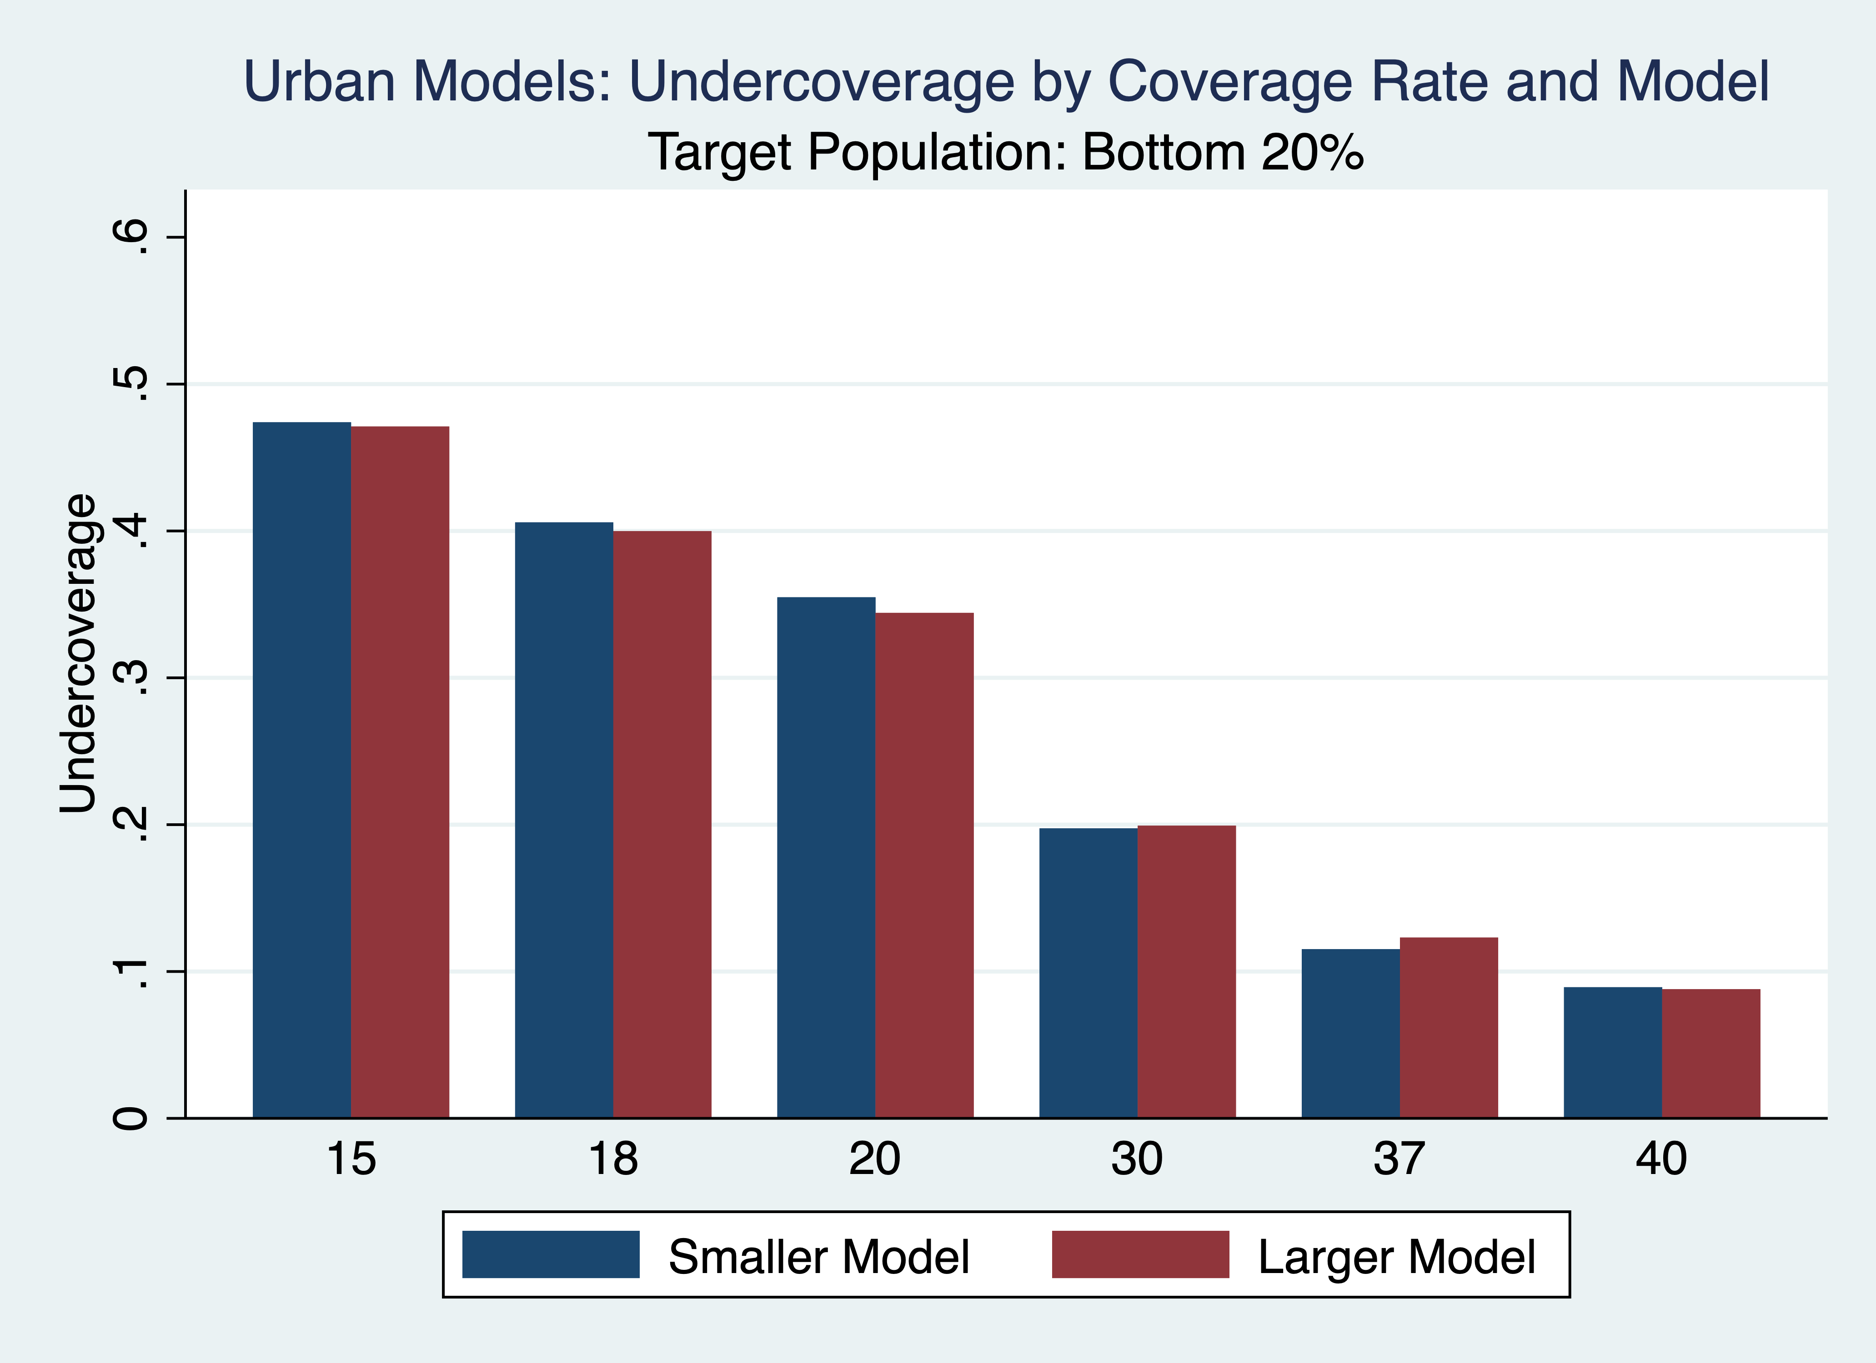
Urban Performance Metrics (Fixed Poverty Rates)

 | Coverage Rate is x% | True poor is bottom 20% | True poor is bottom 37%
Total accuracy (correctly predicted poor + correctly predicted non-poor) / (total sample size) | 15 | 0.86 | 0.74
 | 18 | 0.86 | 0.76
 | 20 | 0.86 | 0.77
 | 30 | 0.82 | 0.80
 | 37 | 0.78 | 0.82
 | 40 | 0.76 | 0.81
Poor accuracy (correctly predicted poor) / (all actually poor) | 15 | 0.53 | 0.35
 | 18 | 0.59 | 0.42
 | 20 | 0.65 | 0.46
 | 30 | 0.80 | 0.63
 | 37 | 0.88 | 0.75
 | 40 | 0.91 | 0.79
Non-poor accuracy (correctly predicted non-poor) / (all actually non-poor) | 15 | 0.94 | 0.97
 | 18 | 0.92 | 0.96
 | 20 | 0.91 | 0.95
 | 30 | 0.83 | 0.90
 | 37 | 0.76 | 0.85
 | 40 | 0.73 | 0.83
Undercoverage (not predicted poor but actually poor) / (all actually poor) | 15 | 0.47 | 0.65
 | 18 | 0.41 | 0.58
 | 20 | 0.35 | 0.54
 | 30 | 0.20 | 0.37
 | 37 | 0.12 | 0.25
 | 40 | 0.09 | 0.21
Leakage (predicted poor but not actually poor) / (all predicted poor) | 15 | 0.30 | 0.13
 | 18 | 0.34 | 0.14
 | 20 | 0.36 | 0.16
 | 30 | 0.46 | 0.22
 | 37 | 0.52 | 0.25
 | 40 | 0.54 | 0.27

Urban Performance Metrics (Poverty Rate varies with Coverage Rate): 2021 Model |  |  |  |  |  |  | Urban Performance Metrics (Poverty Rate varies with Coverage Rate): 2015 Model |  |  |  |  |  | Urban Performance Metrics (Poverty Rate varies with Coverage Rate): 2013 Model
 | Poverty and Coverage Rate |  |  |  |  |  |  | Poverty and Coverage Rate |  |  |  |  |  | Poverty and Coverage Rate
 | 20% | 25% | 30% | 50% | 75% |  |  | 20% | 25% | 30% | 50% | 75% |  | 20% | 25% | 30% | 50% | 75%
Total Accuracy | 0.86 | 0.83 | 0.82 | 0.81 | 0.87 |  | Total Accuracy | 0.84 | 0.82 | 0.82 | 0.82 | 0.87 | Total Accuracy | 0.85 | 0.83 | 0.80 | 0.71 | 0.67
Poverty Accuracy | 0.65 | 0.66 | 0.71 | 0.81 | 0.91 |  | Poverty Accuracy | 0.60 | 0.64 | 0.69 | 0.81 | 0.91 | Poverty Accuracy | 0.39 | 0.41 | 0.46 | 0.59 | 0.73
Non-poverty Accuracy | 0.91 | 0.89 | 0.87 | 0.81 | 0.73 |  | Non-poverty Accuracy | 0.90 | 0.89 | 0.87 | 0.82 | 0.76 | Non-poverty Accuracy | 0.92 | 0.90 | 0.89 | 0.79 | 0.56
Undercoverage (Exclusion error) | 0.35 | 0.34 | 0.29 | 0.19 | 0.09 |  | Undercoverage (Exclusion error) | 0.40 | 0.36 | 0.31 | 0.19 | 0.09 | Undercoverage (Exclusion error) | 0.61 | 0.59 | 0.54 | 0.41 | 0.27
Leakage (Inclusion error) | 0.36 | 0.34 | 0.29 | 0.19 | 0.09 |  | Leakage (Inclusion error) | 0.39 | 0.35 | 0.30 | 0.18 | 0.08 | Leakage (Inclusion error) | 0.59 | 0.58 | 0.52 | 0.38 | 0.26

Transition Matrix: 20% coverage, target population is poorest 20%
 | Predicted Poor | Predicted Non-Poor
Truly Poor | 507/3922 (12.92%) | 279/3922 (7.11%)
Truly Non-Poor | 281/3922 (7.17%) | 2855/3922 (72.81%)

Transition Matrix by Quintile
 | PMT Quintile 1 | PMT Quintile 2 | PMT Quintile 3 | PMT Quintile 4 | PMT Quintile 5 | Total Households
True Consumption Quintile 1 | 507 | 209 | 52 | 15 | 3 | 785
True Consumption Quintile 2 | 175 | 318 | 223 | 64 | 4 | 784
True Consumption Quintile 3 | 71 | 172 | 278 | 223 | 40 | 785
True Consumption Quintile 4 | 27 | 77 | 193 | 308 | 180 | 784
True Consumption Quintile 5 | 9 | 6 | 37 | 175 | 557 | 784
Total Households | 788 | 782 | 783 | 785 | 784 | 3922

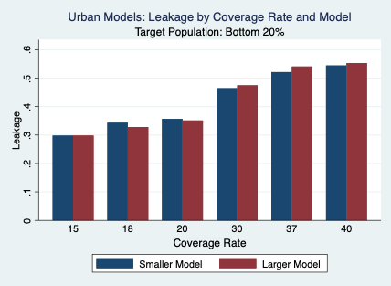
Undercoverage and Leakage Rates for Smaller and Larger Urban Models

HBS Rural Performance
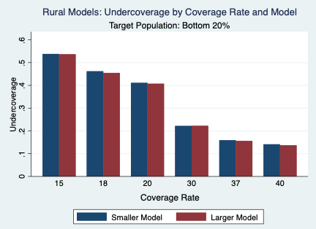
Rural Performance Metrics (Fixed Poverty Rates)

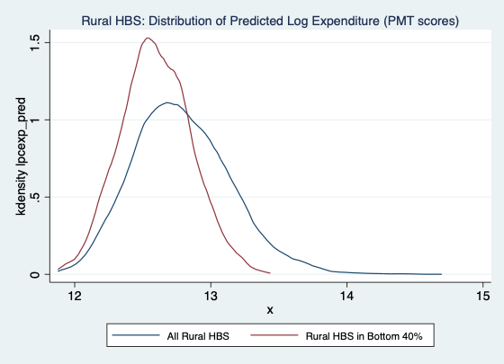
 | Coverage Rate is x% | True poor is bottom 20% | True poor is bottom 37%
Total accuracy (correctly predicted poor + correctly predicted non-poor) / (total sample size) | 15 | 0.83 | 0.74
 | 18 | 0.83 | 0.75
 | 20 | 0.84 | 0.76
 | 30 | 0.81 | 0.79
 | 37 | 0.77 | 0.77
 | 40 | 0.74 | 0.77
Poor accuracy (correctly predicted poor) / (all actually poor) | 15 | 0.46 | 0.35
 | 18 | 0.54 | 0.41
 | 20 | 0.59 | 0.45
 | 30 | 0.78 | 0.62
 | 37 | 0.84 | 0.70
 | 40 | 0.86 | 0.73
Non-poor accuracy (correctly predicted non-poor) / (all actually non-poor) | 15 | 0.93 | 0.96
 | 18 | 0.91 | 0.95
 | 20 | 0.90 | 0.95
 | 30 | 0.82 | 0.89
 | 37 | 0.75 | 0.82
 | 40 | 0.72 | 0.80
Undercoverage (not predicted poor but actually poor) / (all actually poor) | 15 | 0.54 | 0.65
 | 18 | 0.46 | 0.59
 | 20 | 0.41 | 0.55
 | 30 | 0.22 | 0.38
 | 37 | 0.16 | 0.30
 | 40 | 0.14 | 0.27
Leakage (predicted poor but not actually poor) / (all predicted poor) | 15 | 0.38 | 0.15
 | 18 | 0.40 | 0.16
 | 20 | 0.41 | 0.17
 | 30 | 0.48 | 0.24
 | 37 | 0.54 | 0.31
 | 40 | 0.57 | 0.32

Rural Performance Metrics (Poverty Rate moves with Coverage Rate): 2021 Model |  |  |  |  |  |  | Rural Performance Metrics (Poverty Rate varies with Coverage Rate): 2015 Model |  |  |  |  |  | Rural Performance Metrics (Poverty Rate varies with Coverage Rate): 2013 Model
 | Poverty and Coverage Rate |  |  |  |  |  |  | Poverty and Coverage Rate |  |  |  |  |  | Poverty and Coverage Rate
 | 20% | 25% | 30% | 50% | 75% |  |  | 20% | 25% | 30% | 50% | 75% |  | 20% | 25% | 30% | 50% | 75%
Total Accuracy | 0.84 | 0.81 | 0.81 | 0.76 | 0.83 |  | Total Accuracy | 0.81 | 0.79 | 0.78 | 0.75 | 0.83 | Total Accuracy | 0.71 | 0.68 | 0.67 | 0.69 | 0.82
Poverty Accuracy | 0.59 | 0.62 | 0.69 | 0.76 | 0.88 |  | Poverty Accuracy | 0.52 | 0.57 | 0.62 | 0.74 | 0.87 | Poverty Accuracy | 0.45 | 0.53 | 0.58 | 0.75 | 0.89
Non-poverty Accuracy | 0.90 | 0.87 | 0.87 | 0.76 | 0.65 |  | Non-poverty Accuracy | 0.89 | 0.86 | 0.85 | 0.76 | 0.69 | Non-poverty Accuracy | 0.80 | 0.77 | 0.74 | 0.58 | 0.39
Undercoverage (Exclusion error) | 0.41 | 0.38 | 0.31 | 0.24 | 0.12 |  | Undercoverage (Exclusion error) | 0.48 | 0.43 | 0.38 | 0.26 | 0.13 | Undercoverage (Exclusion error) | 0.55 | 0.47 | 0.42 | 0.25 | 0.11
Leakage (Inclusion error) | 0.41 | 0.38 | 0.31 | 0.24 | 0.12 |  | Leakage (Inclusion error) | 0.47 | 0.41 | 0.36 | 0.24 | 0.11 | Leakage (Inclusion error) | 0.53 | 0.45 | 0.40 | 0.25 | 0.10

Transition Matrix: 20% coverage, target population is poorest 20%

 | Predicted Poor | Predicted Non-Poor
Truly Poor | 378/3198 (11.83%) | 264/3198 (8.26%)
Truly Non-Poor | 263/3198 (8.23%) | 2292/3198 (71.68%)

Transition Matrix by Quintile
 | PMT Quintile 1 | PMT Quintile 2 | PMT Quintile 3 | PMT Quintile 4 | PMT Quintile 5 | Total Households
True Consumption Quintile 1 | 378 | 173 | 73 | 17 | 0 | 642
True Consumption Quintile 2 | 174 | 193 | 163 | 92 | 16 | 638
True Consumption Quintile 3 | 71 | 170 | 205 | 142 | 52 | 640
True Consumption Quintile 4 | 18 | 74 | 134 | 239 | 175 | 639
True Consumption Quintile 5 | 0 | 29 | 65 | 152 | 394 | 639
Total Households | 642 | 638 | 639 | 641 | 637 | 3198

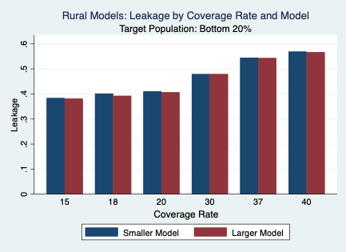
Undercoverage and Leakage Rates for Smaller and Larger Rural Models

HBS National Performance
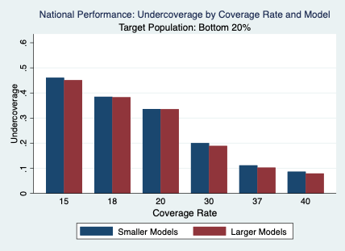
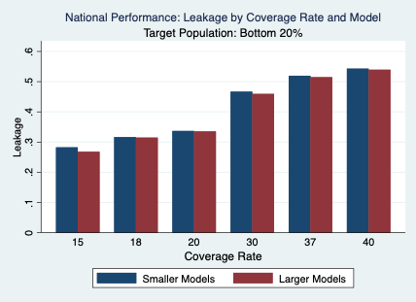
National Performance Metrics (Fixed Poverty Rates)

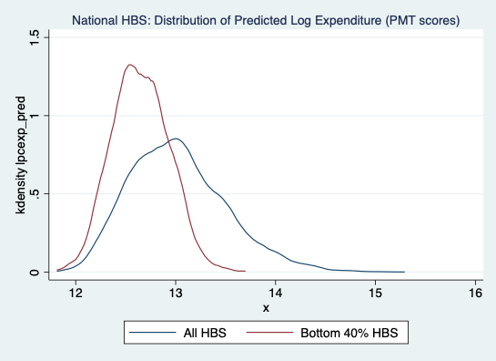
 | Coverage Rate is x% | True poor is bottom 20% | True poor is bottom 37%
Total accuracy (correctly predicted poor + correctly predicted non-poor) / (total sample size) | 15 | 0.87 | 0.75
 | 18 | 0.87 | 0.77
 | 20 | 0.87 | 0.78
 | 30 | 0.82 | 0.81
 | 37 | 0.79 | 0.82
 | 40 | 0.77 | 0.82
Poor accuracy (correctly predicted poor) / (all actually poor) | 15 | 0.54 | 0.37
 | 18 | 0.61 | 0.43
 | 20 | 0.66 | 0.47
 | 30 | 0.80 | 0.64
 | 37 | 0.89 | 0.76
 | 40 | 0.91 | 0.79
Non-poor accuracy (correctly predicted non-poor) / (all actually non-poor) | 15 | 0.95 | 0.98
 | 18 | 0.93 | 0.97
 | 20 | 0.92 | 0.96
 | 30 | 0.82 | 0.90
 | 37 | 0.76 | 0.86
 | 40 | 0.73 | 0.83
Undercoverage (not predicted poor but actually poor) / (all actually poor) | 15 | 0.46 | 0.63
 | 18 | 0.39 | 0.57
 | 20 | 0.34 | 0.53
 | 30 | 0.20 | 0.36
 | 37 | 0.11 | 0.24
 | 40 | 0.09 | 0.21
Leakage (predicted poor but not actually poor) / (all predicted poor) | 15 | 0.28 | 0.09
 | 18 | 0.32 | 0.11
 | 20 | 0.34 | 0.13
 | 30 | 0.47 | 0.21
 | 37 | 0.52 | 0.24
 | 40 | 0.54 | 0.27

National Performance Metrics (Poverty Rate varies with Coverage Rate): 2021 Combined Urban & Rural Models
 | Poverty and Coverage Rate
 | 20% | 25% | 30% | 50% | 75%
Total Accuracy | 0.87 | 0.84 | 0.82 | 0.81 | 0.87
Poverty Accuracy | 0.66 | 0.67 | 0.70 | 0.81 | 0.91
Non-poverty Accuracy | 0.92 | 0.89 | 0.87 | 0.81 | 0.73
Undercoverage (Exclusion error) | 0.34 | 0.33 | 0.30 | 0.19 | 0.09
Leakage (Inclusion error) | 0.34 | 0.33 | 0.30 | 0.19 | 0.09

Transition Matrix: 20% coverage, target population is poorest 20%

 | Predicted Poor | Predicted Non-Poor
Truly Poor | 946/7120 (13.28%) | 479/7120 (6.73%)
Truly Non-Poor | 480/7120 (6.75%) | 5215/7120 (73.24%)

Transition Matrix by Quintile
 | PMT Quintile 1 | PMT Quintile 2 | PMT Quintile 3 | PMT Quintile 4 | PMT Quintile 5 | Total Households
True Consumption Quintile 1 | 946 | 356 | 111 | 12 | 0 | 1425
True Consumption Quintile 2 | 345 | 545 | 395 | 126 | 15 | 1426
True Consumption Quintile 3 | 111 | 336 | 520 | 393 | 62 | 1423
True Consumption Quintile 4 | 22 | 152 | 328 | 599 | 322 | 1424
True Consumption Quintile 5 | 3 | 34 | 69 | 294 | 1024 | 1423
Total Households | 1426 | 1423 | 1424 | 1424 | 1423 | 7120

Undercoverage and Leakage Rates for Smaller and Larger National Models

